Average FBA
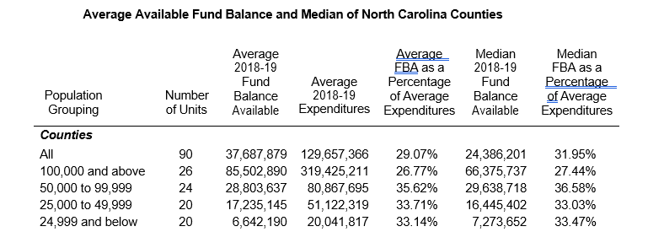
Counties
The General Fund Balance Available divided by expenditures and general fund transfers was calculated for counties by population groups and an average was determined. The chart below shows the average fund balance available for the general fund by population group. If you are unsure of your population group please click on the link below and it will take you to the Management of Cash and Taxes and Fund Balance Available memo.

https://files.nc.gov/nctreasurer/documents/files/SLGFD/Memos/2020-08.pdf

