Average FBA
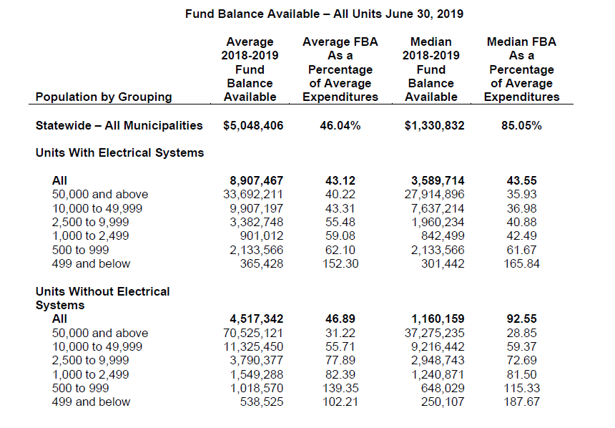
Municipalities
The chart below shows the average fund balance available for the general fund by population group and the average fund balance as a percentage of average expenditures by population group. If you are unsure of your population group, please click on the link below and it will take you to the Management of Cash and Taxes and Fund Balance Available memo.

https://files.nc.gov/nctreasurer/documents/files/SLGFD/Memos/2020-09.pdf

